Instructions
SDMMP MSP - Rare Plant Occurrence Monitoring 2019

When to use this Excel file: | 1 | You are doing data entry in the field on a laptop, tablet, etc. and you want to enter ONE survey per Excel file, as on the paper form. (Note: if instead you wish to enter multiple surveys per Excel file, download that version from the SDMMP web page.)
 | OR
 | 2 | You have recorded your data on a paper copy in the field and you want to enter ONE survey per Excel file, as on the paper form. (Note: if instead you wish to enter multiple surveys per Excel file, download that version from the SDMMP web page.)

What to know about this Excel file: | 1 | This file was created in Microsoft Excel 2010. If you are using Microsoft Excel 1997-2003, the drop-down lists will not be operational. Please contact SDMMP for assistance (see contact info below).
 | 2 | Cells with drop-down lists have a down-arrow in the lower right corner and have field names that appear in a GREEN FONT
 | 3 | Cells where you need to type directly into have field names that appear in a RED FONT
 | 4 | This form generally follows the format of the paper copy.
 | 5 | You may adjust column height or width to accommodate entries, but please do not move cells to new locations or similarly reconfigure this electronic form. Doing so may hamper data upload by SDMMP. Contact Emily Perkins if you have a question or need on the format.
 | 6 | Note that cells with drop-down lists (GREEN FONT) are pre-loaded with the most likely options you will need (species names, preserve names, etc). For some of the cells where the pre-loaded values may not be comprehensive, if the option you need is not in the list, you can manually type in correct text into the cell. When you move to the next cell you will get a warning message about typing in your own text (see screenshot below); simply hit "Yes" button to continue. For other cells, the options are very restricted and you will not be allowed a different entry.
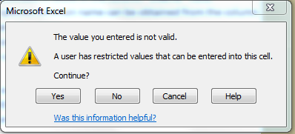

How to submit these data: | 1 | Submit one file for each survey (an alternate Excel file exists if you wish to enter multiple surveys in one file)
 | 2 | Email Excel file(s) as attachments to: Emily Perkins, SDMMP (eperkins@usgs.gov)
 | 3 | You may wish to also provide hard copies of data sheets if you collected on paper. Either scan and attach to email, or mail hard copies, to: Emily Perkins/Western Ecological Research Center/4165 Spruance Road, Suite 200, San Diego, CA 92101-0812

What to do if you have questions: | 1 | For questions about **this form or submitting data**, contact Emily Perkins, SDMMP (eperkins@usgs.gov)
 | 2 | For questions about the **protocol** contact Dr. Kris Preston, SDMMP (kpreston@usgs.gov)
version- 3/5/19

perc cover diagram
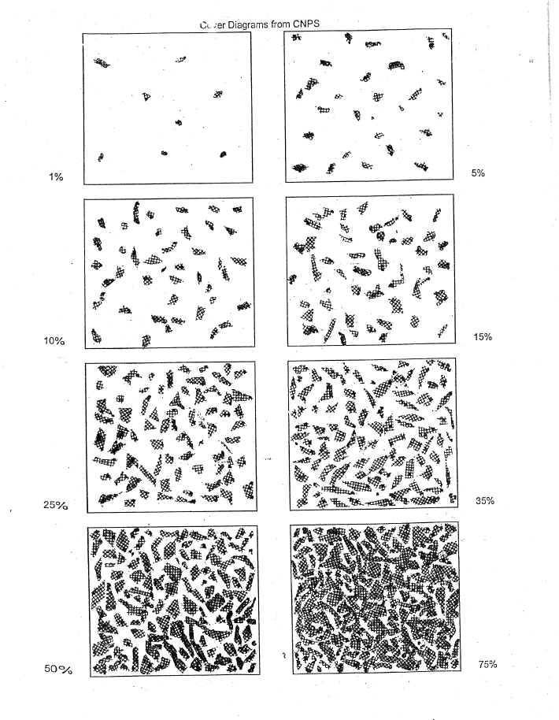
MSP - CNPS Cover Diagram

